T vs phi relation
T vs phi relation from literature
 |  |  | v | 2
 |  |  | W | 18
 |  | m | Temperature |  | 1/phi2 | phi | Temperature | phi

0.16555480993 | 271.3851498 | 0.16555480993 | 271.3851498 |  | 168.78599057 | 0.0059246623291 | 271.3851498 | 0.0036848
0.291003829 | 271.40172897 | 0.291003829 | 271.40172897 |  | 96.45502502 | 0.01036752621 | 271.40172897 | 0.003684574906
0.45229542494 | 271.42304504 | 0.45229542494 | 271.42304504 |  | 62.415119955 | 0.016021758842 | 271.42304504 | 0.0036842855398
0.54186239293 | 270.77408913 | 0.54186239293 | 270.77408913 |  | 52.263527679 | 0.019133802183 | 270.77408913 | 0.0036931155533
0.68523270043 | 270.79303675 | 0.68523270043 | 270.79303675 |  | 41.537729388 | 0.024074498407 | 270.79303675 | 0.0036928571429
0.77483914262 | 270.80487901 | 0.77483914262 | 270.80487901 |  | 36.849734803 | 0.02713723736 | 270.80487901 | 0.0036926956547
0.88228792484 | 269.49749339 | 0.88228792484 | 269.49749339 |  | 32.483801371 | 0.030784574397 | 269.49749339 | 0.0037106096514
0.93605179016 | 269.50459874 | 0.93605179016 | 269.50459874 |  | 30.675471026 | 0.032599336426 | 269.50459874 | 0.003710511823
1.1152646745 | 269.52828327 | 1.1152646745 | 269.52828327 |  | 25.906892877 | 0.038599765891 | 269.52828327 | 0.0037101857656
1.3302806616 | 268.89590653 | 1.3302806616 | 268.89590653 |  | 21.881140785 | 0.045701456329 | 268.89590653 | 0.0037189112059
1.4198871038 | 268.90774879 | 1.4198871038 | 268.90774879 |  | 20.56337071 | 0.048630159622 | 268.90774879 | 0.0037187474311
1.5630995145 | 266.28350373 | 1.5630995145 | 266.28350373 |  | 18.770959252 | 0.053273782474 | 266.28350373 | 0.0037553959821
1.8139975526 | 266.31666206 | 1.8139975526 | 266.31666206 |  | 16.313018332 | 0.061300734152 | 266.31666206 | 0.0037549284084
1.9573678601 | 266.33560968 | 1.9573678601 | 266.33560968 |  | 15.191393628 | 0.065826745359 | 266.33560968 | 0.0037546612757
2.2081869498 | 265.04717167 | 2.2081869498 | 265.04717167 |  | 13.579450205 | 0.073640683896 | 265.04717167 | 0.0037729133033
2.3336359689 | 265.06375084 | 2.3336359689 | 265.06375084 |  | 12.903218046 | 0.077500046611 | 265.06375084 | 0.0037726773157
2.459084988 | 265.08033 | 2.459084988 | 265.08033 |  | 12.295981194 | 0.081327385285 | 265.08033 | 0.0037724413576
2.674100975 | 264.44795326 | 2.674100975 | 264.44795326 |  | 11.387707135 | 0.087813989958 | 264.44795326 | 0.0037814624302
2.8353136225 | 263.147673 | 2.8353136225 | 263.147673 |  | 10.797074143 | 0.092617683901 | 263.147673 | 0.0038001476077
3.1040145265 | 261.20080527 | 3.1040145265 | 261.20080527 |  | 9.9489844653 | 0.10051277128 | 261.20080527 | 0.0038284721173
3.3011486993 | 261.22685825 | 3.3011486993 | 261.22685825 |  | 9.4145793806 | 0.10621823446 | 261.22685825 | 0.0038280902917
3.3549125646 | 261.2339636 | 3.3549125646 | 261.2339636 |  | 9.2797322561 | 0.1077617298 | 261.2339636 | 0.0038279861707
3.641534757 | 259.28946434 | 3.641534757 | 259.28946434 |  | 8.6280413702 | 0.11590115961 | 259.28946434 | 0.0038566935319
3.7849050645 | 259.30841195 | 3.7849050645 | 259.30841195 |  | 8.339094985 | 0.11991708954 | 259.30841195 | 0.0038564117241
3.8565902183 | 259.31788576 | 3.8565902183 | 259.31788576 |  | 8.2026780668 | 0.12191140404 | 259.31788576 | 0.0038562708356
3.9640784747 | 258.67129831 | 3.9640784747 | 258.67129831 |  | 8.007373329 | 0.12488489782 | 258.67129831 | 0.0038659101591
4.1790944618 | 258.03892156 | 4.1790944618 | 258.03892156 |  | 7.646841327 | 0.13077295019 | 258.03892156 | 0.0038753843565
4.286543244 | 256.73153594 | 4.286543244 | 256.73153594 |  | 7.4802280525 | 0.13368576372 | 256.73153594 | 0.0038951194536
4.4119922631 | 256.74811511 | 4.4119922631 | 256.74811511 |  | 7.2959715524 | 0.13706193792 | 256.74811511 | 0.0038948679315
4.591126199 | 255.45020329 | 4.591126199 | 255.45020329 |  | 7.0503189356 | 0.14183755503 | 255.45020329 | 0.0039146572878
4.752417795 | 255.47151936 | 4.752417795 | 255.47151936 |  | 6.8449780672 | 0.14609250609 | 255.47151936 | 0.0039143306561
4.8777483914 | 253.50570402 | 4.8777483914 | 253.50570402 |  | 6.6947951285 | 0.14936976872 | 253.50570402 | 0.0039446844159
5.0211186989 | 253.52465164 | 5.0211186989 | 253.52465164 |  | 6.5321890287 | 0.15308803766 | 253.52465164 | 0.0039443896029
5.2182133975 | 252.88990645 | 5.2182133975 | 252.88990645 |  | 6.3232353033 | 0.15814689032 | 252.88990645 | 0.0039542898886
5.1286069554 | 252.87806419 | 5.1286069554 | 252.87806419 |  | 6.41624227 | 0.15585446402 | 252.87806419 | 0.0039544750677
4.9314727825 | 252.85201121 | 4.9314727825 | 252.85201121 |  | 6.6327549604 | 0.1507669145 | 252.85201121 | 0.0039548825228
5.3257806024 | 253.56491533 | 5.3257806024 | 253.56491533 |  | 6.215719507 | 0.16088242059 | 253.56491533 | 0.0039437632715
5.2542533454 | 256.19863419 | 5.2542533454 | 256.19863419 |  | 6.2867221947 | 0.15906540309 | 256.19863419 | 0.0039032214327
5.415663364 | 258.20234477 | 5.415663364 | 258.20234477 |  | 6.1291551765 | 0.16315462265 | 258.20234477 | 0.0038729315216
5.6129949078 | 261.53238858 | 5.6129949078 | 261.53238858 |  | 5.9488335967 | 0.16810018027 | 261.53238858 | 0.0038236181966
5.7026802984 | 262.86582718 | 5.7026802984 | 262.86582718 |  | 5.8710038656 | 0.17032862231 | 262.86582718 | 0.0038042221415
5.7385623495 | 263.53136225 | 5.7385623495 | 263.53136225 |  | 5.8405464794 | 0.17121685505 | 263.53136225 | 0.0037946147716
5.9001697391 | 268.83906367 | 5.9001697391 | 268.83906367 |  | 5.7079624835 | 0.17519386347 | 268.83906367 | 0.0037196975259
6.0615797576 | 270.84277425 | 6.0615797576 | 270.84277425 |  | 5.5825970932 | 0.17912809814 | 270.84277425 | 0.0036921789875
6.1335017566 | 274.81703707 | 6.1335017566 | 274.81703707 |  | 5.5288611433 | 0.18086907486 | 274.81703707 | 0.0036387845917
6.1883708996 | 293.32649114 | 6.1883708996 | 293.32649114 |  | 5.4887060308 | 0.18219230441 | 293.32649114 | 0.0034091704303
6.188647219 | 297.95207832 | 6.188647219 | 297.95207832 |  | 5.4885056127 | 0.18219895734 | 297.95207832 | 0.0033562444191
6.2069237753 | 303.90163028 | 6.2069237753 | 303.90163028 |  | 5.4752890133 | 0.18263876073 | 303.90163028 | 0.0032905384517
6.20743694 | 312.49200647 | 6.20743694 | 312.49200647 |  | 5.4749190441 | 0.18265110259 | 312.49200647 | 0.0032000818558
6.2792405163 | 314.48387479 | 6.2792405163 | 314.48387479 |  | 5.4237480163 | 0.18437434722 | 314.48387479 | 0.0031798132756
6.2977144436 | 323.7374176 | 6.2977144436 | 323.7374176 |  | 5.4107712451 | 0.18481653626 | 323.7374176 | 0.0030889231385
6.3694785458 | 325.06848774 | 6.3694785458 | 325.06848774 |  | 5.3610756482 | 0.18652973127 | 325.06848774 | 0.0030762748089
6.4235582047 | 330.36197845 | 6.4235582047 | 330.36197845 |  | 5.3243599408 | 0.18781600251 | 330.36197845 | 0.0030269827197
6.4059527099 | 335.64599534 | 6.4059527099 | 335.64599534 |  | 5.3362445893 | 0.18739770699 | 335.64599534 | 0.0029793294539
6.4780720799 | 342.924249 | 6.4780720799 | 342.924249 |  | 5.287969852 | 0.18910849116 | 342.924249 | 0.0029160959101
6.4961907394 | 346.2306083 | 6.4961907394 | 346.2306083 |  | 5.2760101869 | 0.18953716247 | 346.2306083 | 0.0028882483987
6.5323491099 | 351.52173055 | 6.5323491099 | 351.52173055 |  | 5.2523412804 | 0.19039128393 | 351.52173055 | 0.0028447743428
6.5684680062 | 356.15205463 | 6.5684680062 | 356.15205463 |  | 5.2289583738 | 0.19124267751 | 356.15205463 | 0.0028077895017
6.6404294793 | 360.78711562 | 6.6404294793 | 360.78711562 |  | 5.1831297003 | 0.19293362463 | 360.78711562 | 0.0027717176049
6.7846287451 | 374.68282477 | 6.7846287451 | 374.68282477 |  | 5.0942222222 | 0.1963008201 | 374.68282477 | 0.0026689240442
6.7672600955 | 383.93163068 | 6.7672600955 | 383.93163068 |  | 5.1047303319 | 0.19589673401 | 383.93163068 | 0.0026046304084
6.947459835 | 400.47526941 | 6.947459835 | 400.47526941 |  | 4.9982638889 | 0.20006946857 | 400.47526941 | 0.0024970330914
7.2713851498 | 422.98503928 | 7.2713851498 | 422.98503928 |  | 4.8201494221 | 0.20746244824 | 422.98503928 | 0.0023641498094
7.5956262582 | 450.78119449 | 7.5956262582 | 450.78119449 |  | 4.6570753791 | 0.21472703759 | 450.78119449 | 0.0022183711571
7.9911972526 | 472.63964 | 7.9911972526 | 472.63964 |  | 4.4760470678 | 0.22341141299 | 472.63964 | 0.0021157768316
8.4946117712 | 499.79868156 | 8.4946117712 | 499.79868156 |  | 4.2700467692 | 0.2341894724 | 499.79868156 | 0.0020008055981

Sheet1
 |  |  | v | 2
 |  |  | W | 18
 |  | m | Temperature |  | 1/phi2 | phi | Temperature | phi

0.18347609837 | 271.38751826 | 0.18347609837 | 271.38751826 |  | 152.39725569 | 0.0065617979502 | 271.38751826 | 0.0065617979502
0.30892511744 | 271.40409742 | 0.30892511744 | 271.40409742 |  | 90.917511429 | 0.010998981211 | 271.40409742 | 0.010998981211
0.39853155963 | 271.41593968 | 0.39853155963 | 271.41593968 |  | 70.700321359 | 0.014144207279 | 271.41593968 | 0.014144207279
0.54190186713 | 271.4348873 | 0.54190186713 | 271.4348873 |  | 52.259793447 | 0.019135169392 | 271.4348873 | 0.019135169392
0.68527217463 | 271.45383492 | 0.68527217463 | 271.45383492 |  | 41.535394265 | 0.024075851877 | 271.45383492 | 0.024075851877
0.73895709154 | 270.13934394 | 0.73895709154 | 270.13934394 |  | 38.590515195 | 0.025913103128 | 270.13934394 | 0.025913103128
0.84648482217 | 270.15355465 | 0.84648482217 | 270.15355465 |  | 33.815446952 | 0.029572283975 | 270.15355465 | 0.029572283975
0.97193384123 | 270.17013382 | 0.97193384123 | 270.17013382 |  | 29.579905956 | 0.033806733581 | 270.17013382 | 0.033806733581
1.0973828603 | 270.18671298 | 1.0973828603 | 270.18671298 |  | 26.3127498 | 0.038004389796 | 270.18671298 | 0.038004389796
1.34820195 | 268.89827498 | 1.34820195 | 268.89827498 |  | 21.603573357 | 0.046288638618 | 268.89827498 | 0.046288638618
1.4198871038 | 268.90774879 | 1.4198871038 | 268.90774879 |  | 20.56337071 | 0.048630159622 | 268.90774879 | 0.048630159622
1.509493546 | 268.91959105 | 1.509493546 | 268.91959105 |  | 19.402051371 | 0.051540941772 | 268.91959105 | 0.051540941772
1.7781944499 | 266.97272333 | 1.7781944499 | 266.97272333 |  | 16.621338701 | 0.060163625687 | 266.97272333 | 0.060163625687
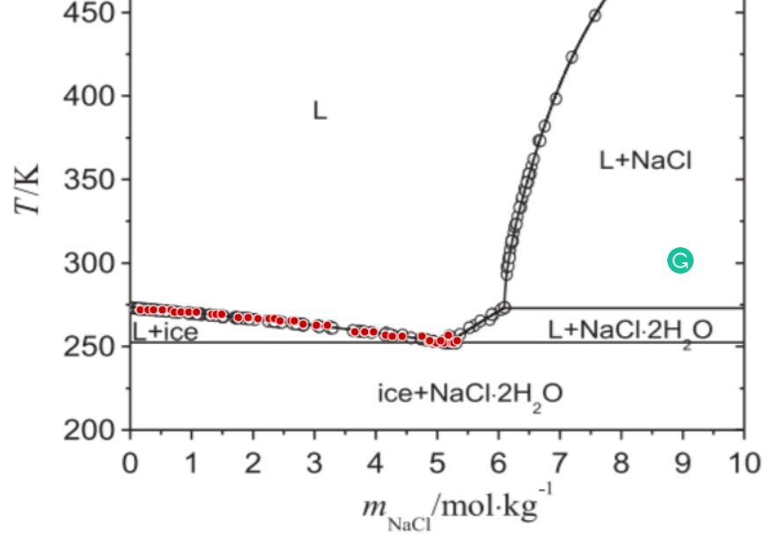
1.9394860459 | 266.9940394 | 1.9394860459 | 266.9940394 |  | 15.322236469 | 0.065264623869 | 266.9940394 | 0.065264623869
2.1007381676 | 266.3545573 | 2.1007381676 | 266.3545573 |  | 14.22286528 | 0.070309320967 | 266.3545573 | 0.070309320967
2.279951052 | 266.37824182 | 2.279951052 | 266.37824182 |  | 13.183497428 | 0.075852406045 | 266.37824182 | 0.075852406045
2.3695574942 | 266.39008408 | 2.3695574942 | 266.39008408 |  | 12.722770115 | 0.07859923515 | 266.39008408 | 0.07859923515
2.459084988 | 265.08033 | 2.459084988 | 265.08033 |  | 12.295981194 | 0.081327385285 | 265.08033 | 0.081327385285
2.6382978723 | 265.10401453 | 2.6382978723 | 265.10401453 |  | 11.528673835 | 0.086740245609 | 265.10401453 | 0.086740245609
2.6920617377 | 265.11111988 | 2.6920617377 | 265.11111988 |  | 11.318402951 | 0.088351687454 | 265.11111988 | 0.088351687454
2.8353136225 | 263.147673 | 2.8353136225 | 263.147673 |  | 10.797074143 | 0.092617683901 | 263.147673 | 0.092617683901
3.0503296096 | 262.51529625 | 3.0503296096 | 262.51529625 |  | 10.106483998 | 0.098946379396 | 262.51529625 | 0.098946379396
3.229542494 | 262.53898078 | 3.229542494 | 262.53898078 |  | 9.6011494909 | 0.10415419539 | 262.53898078 | 0.10415419539
3.6773378597 | 258.63340307 | 3.6773378597 | 258.63340307 |  | 8.5537736367 | 0.11690746593 | 258.63340307 | 0.11690746593
3.8386294557 | 258.65471914 | 3.8386294557 | 258.65471914 |  | 8.2363790511 | 0.1214125763 | 258.65471914 | 0.1214125763
3.9819997632 | 258.67366676 | 3.9819997632 | 258.67366676 |  | 7.97583612 | 0.1253787045 | 258.67366676 | 0.1253787045
4.1790155134 | 256.71732523 | 4.1790155134 | 256.71732523 |  | 7.6469668966 | 0.13077080279 | 256.71732523 | 0.13077080279
4.2865037698 | 256.07073777 | 4.2865037698 | 256.07073777 |  | 7.4802877286 | 0.13368469721 | 256.07073777 | 0.13368469721
4.4477953657 | 256.09205384 | 4.4477953657 | 256.09205384 |  | 7.2452913171 | 0.13802067525 | 256.09205384 | 0.13802067525
4.7703785576 | 256.13468598 | 4.7703785576 | 256.13468598 |  | 6.8229713727 | 0.14656371035 | 256.13468598 | 0.14656371035
4.8777089172 | 252.84490585 | 4.8777089172 | 252.84490585 |  | 6.6948412152 | 0.14936874047 | 252.84490585 | 0.14936874047
5.0031184621 | 252.20068685 | 5.0031184621 | 252.20068685 |  | 6.5520927574 | 0.15262299192 | 252.20068685 | 0.15262299192
5.1285674812 | 252.21726602 | 5.1285674812 | 252.21726602 |  | 6.4162839584 | 0.15585345139 | 252.21726602 | 0.15585345139
5.2540165002 | 252.23384518 | 5.2540165002 | 252.23384518 |  | 6.2869605142 | 0.1590593734 | 252.23384518 | 0.1590593734
5.2898590771 | 252.23858209 | 5.2898590771 | 252.23858209 |  | 6.2511375772 | 0.15997088332 | 252.23858209 | 0.15997088332
4.8956696799 | 253.50807247 | 4.8956696799 | 253.50807247 |  | 6.6739485288 | 0.14983633687 | 253.50807247 | 0.14983633687
5.0748825642 | 253.531757 | 5.0748825642 | 253.531757 |  | 6.4735804082 | 0.15447402163 | 253.531757 | 0.15447402163
5.3437018908 | 253.56728378 | 5.3437018908 | 253.56728378 |  | 6.1982274358 | 0.16133644826 | 253.56728378 | 0.16133644826
5.2005289543 | 256.852327 | 5.2005289543 | 256.852327 |  | 6.3413370105 | 0.15769545103 | 256.852327 | 0.15769545103

Sheet1 (2)
 |  |  | v | 2
 |  |  | W | 18
 |  | m | Temperature |  | 1/phi2 | phi | Temperature | phi

0.16555480993 | 271.3851498 | 0.16555480993 | 271.3851498 |  | 168.78599057 | 0.0059246623291 | 271.3851498 | 0.0036848
0.25516125212 | 271.39699207 | 0.25516125212 | 271.39699207 |  | 109.86362074 | 0.0091021940957 | 271.39699207 | 0.0036846392157
0.34476769431 | 271.40883433 | 0.34476769431 | 271.40883433 |  | 81.569549398 | 0.012259476819 | 271.40883433 | 0.0036844784455
0.50605929025 | 271.4301504 | 0.50605929025 | 271.4301504 |  | 55.890362281 | 0.017892172446 | 271.4301504 | 0.0036841890945
0.64942959776 | 271.44909801 | 0.64942959776 | 271.44909801 |  | 43.772577464 | 0.022845353368 | 271.44909801 | 0.0036839319317
0.75683890578 | 269.48091422 | 0.75683890578 | 269.48091422 |  | 37.702365016 | 0.026523535051 | 269.48091422 | 0.0037108379378
0.84644534797 | 269.49275648 | 0.84644534797 | 269.49275648 |  | 33.816977309 | 0.029570945707 | 269.49275648 | 0.0037106748732
0.97185489283 | 268.84853748 | 0.97185489283 | 268.84853748 |  | 29.582227638 | 0.03380408035 | 268.84853748 | 0.0037195664495
1.061461335 | 268.86037974 | 1.061461335 | 268.86037974 |  | 27.169373166 | 0.03680614911 | 268.86037974 | 0.0037194026169
1.3302806616 | 268.89590653 | 1.3302806616 | 268.89590653 |  | 21.881140785 | 0.045701456329 | 268.89590653 | 0.0037189112059
1.4019658153 | 268.90538033 | 1.4019658153 | 268.90538033 |  | 20.813448712 | 0.048045857938 | 268.90538033 | 0.0037187801849
1.5453361228 | 268.92432795 | 1.5453361228 | 268.92432795 |  | 18.975233587 | 0.052700273514 | 268.92432795 | 0.0037185181706
1.7602731615 | 266.97035487 | 1.7602731615 | 266.97035487 |  | 16.780379083 | 0.059593409366 | 266.97035487 | 0.0037457342426
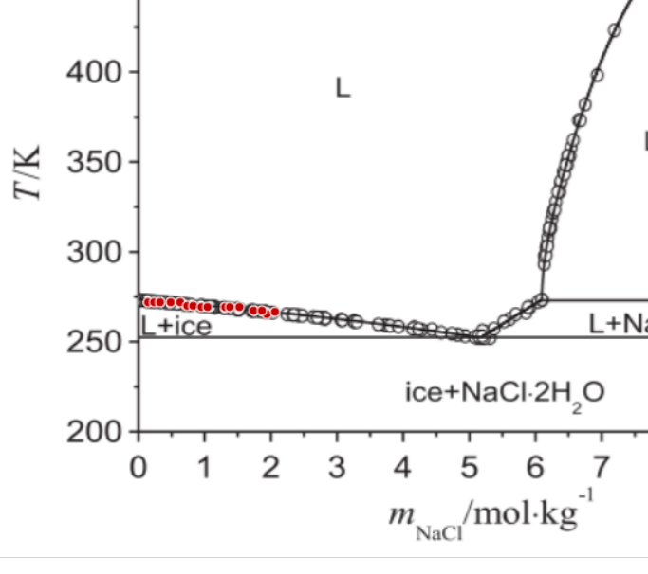
1.9572889117 | 265.01401334 | 1.9572889117 | 265.01401334 |  | 15.191966046 | 0.065824265072 | 265.01401334 | 0.003773385367
1.8857221806 | 266.98693404 | 1.8857221806 | 266.98693404 |  | 15.730578059 | 0.063570454707 | 266.98693404 | 0.0037455016426
2.0828168792 | 266.35218884 | 2.0828168792 | 266.35218884 |  | 14.33663946 | 0.069751353015 | 266.35218884 | 0.0037544275658

v3
264.05300359 | 0.089301692722
263.4695049 | 0.093676649298
262.89781393 | 0.10087684893
260.51068436 | 0.10513588633
260.55791528 | 0.11631818887
258.19243321 | 0.12541826513
257.61287043 | 0.13034601096
257.6227102 | 0.13256839305
257.04708333 | 0.13829202603
255.26509996 | 0.14307269619
254.66979353 | 0.14436700867
252.88977811 | 0.1495071027
252.90552175 | 0.15290304878
252.91929744 | 0.15585233262
252.92520131 | 0.15711003404
252.93307313 | 0.15878115105
v3 |  |  | v | 2
 |  |  | W | 18
 |  | m | Temperature |  | 1/phi2 | phi | Temperature | phi
264.05300359 | 0.089301692722
263.4695049 | 0.093676649298
262.89781393 | 0.10087684893
260.51068436 | 0.10513588633
260.55791528 | 0.11631818887
258.19243321 | 0.12541826513
257.61287043 | 0.13034601096
257.6227102 | 0.13256839305
257.04708333 | 0.13829202603
255.26509996 | 0.14307269619
254.66979353 | 0.14436700867
252.88977811 | 0.1495071027
252.90552175 | 0.15290304878
252.91929744 | 0.15585233262
252.92520131 | 0.15711003404
252.93307313 | 0.15878115105
2.3802089312 | 264.61288683 | 2.3802089312 | 264.61288683 |  | 12.670310708 | 0.078924662783
2.5275103728 | 264.63059842 | 2.5275103728 | 264.63059842 |  | 11.990173602 | 0.083401628132
2.6747462158 | 264.04709973 | 2.6747462158 | 264.04709973 |  | 11.385201263 | 0.087833317736
2.7238466963 | 264.05300359 | 2.7238466963 | 264.05300359 |  | 11.197996024 | 0.089301692722 | 264.05300359 | 0.089301692722
2.8710825393 | 263.4695049 | 2.8710825393 | 263.4695049 |  | 10.675018881 | 0.093676649298 | 263.4695049 | 0.093676649298
3.1165193434 | 262.89781393 | 3.1165193434 | 262.89781393 |  | 9.9130772883 | 0.10087684893 | 262.89781393 | 0.10087684893
3.2635583909 | 260.51068436 | 3.2635583909 | 260.51068436 |  | 9.5115001636 | 0.10513588633 | 260.51068436 | 0.10513588633
3.3617593519 | 260.52249209 | 3.3617593519 | 260.52249209 |  | 9.2628691915 | 0.10795791016
3.6563622349 | 260.55791528 | 3.6563622349 | 260.55791528 |  | 8.5971077243 | 0.11631818887 | 260.55791528 | 0.11631818887
3.7870344556 | 258.16881775 | 3.7870344556 | 258.16881775 |  | 8.334968325 | 0.11997646074
3.9834363777 | 258.19243321 | 3.9834363777 | 258.19243321 |  | 7.9733203055 | 0.12541826513 | 258.19243321 | 0.12541826513
4.1634058743 | 257.61287043 | 4.1634058743 | 257.61287043 |  | 7.6718880206 | 0.13034601096 | 257.61287043 | 0.13034601096
4.2452400085 | 257.6227102 | 4.2452400085 | 257.6227102 |  | 7.5432761686 | 0.13256839305 | 257.6227102 | 0.13256839305
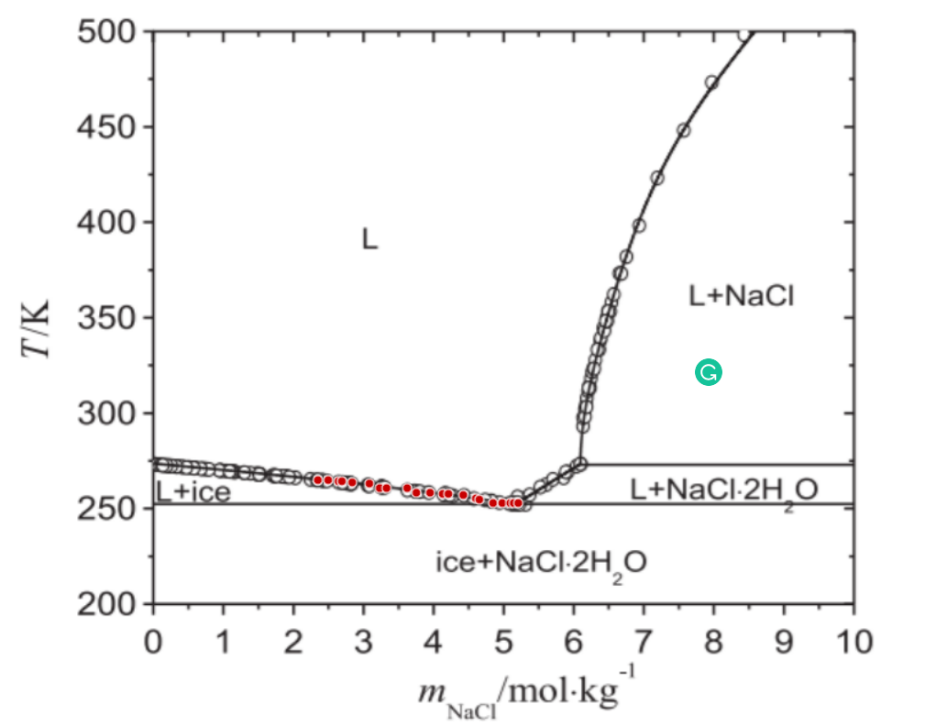
264.05300359 | 0.089301692722
263.4695049 | 0.093676649298
262.89781393 | 0.10087684893
260.51068436 | 0.10513588633
260.55791528 | 0.11631818887
258.19243321 | 0.12541826513
257.61287043 | 0.13034601096
257.6227102 | 0.13256839305
257.04708333 | 0.13829202603
255.26509996 | 0.14307269619
254.66979353 | 0.14436700867
252.88977811 | 0.1495071027
252.90552175 | 0.15290304878
252.91929744 | 0.15585233262
252.92520131 | 0.15711003404
252.93307313 | 0.15878115105
4.4579431589 | 257.04708333 | 4.4579431589 | 257.04708333 |  | 7.2310749123 | 0.13829202603 | 257.04708333 | 0.13829202603
4.6377814586 | 255.26509996 | 4.6377814586 | 255.26509996 |  | 6.9894537994 | 0.14307269619 | 255.26509996 | 0.14307269619
4.6868163406 | 254.66979353 | 4.6868163406 | 254.66979353 |  | 6.9267903325 | 0.14436700867 | 254.66979353 | 0.14436700867
4.8830214671 | 252.88977811 | 4.8830214671 | 252.88977811 |  | 6.688645435 | 0.1495071027 | 252.88977811 | 0.1495071027
5.0139560818 | 252.90552175 | 5.0139560818 | 252.90552175 |  | 6.5400919602 | 0.15290304878 | 252.90552175 | 0.15290304878
5.1285238697 | 252.91929744 | 5.1285238697 | 252.91929744 |  | 6.4163300169 | 0.15585233262 | 252.91929744 | 0.15585233262
5.1776243502 | 252.92520131 | 5.1776243502 | 252.92520131 |  | 6.3649658413 | 0.15711003404 | 252.92520131 | 0.15711003404
5.2430916575 | 252.93307313 | 5.2430916575 | 252.93307313 |  | 6.2979767649 | 0.15878115105 | 252.93307313 | 0.15878115105

v4
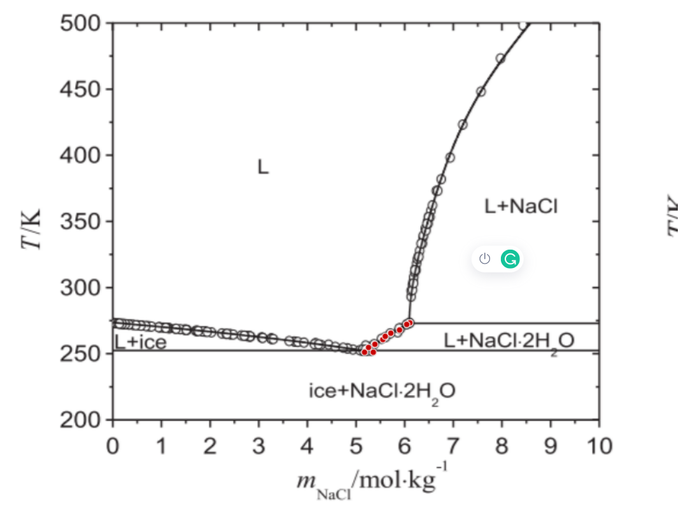
 |  |  | v | 2
 |  |  | W | 18
 |  | m | Temperature |  | 1/phi2 | phi | Temperature | phi

5.2101612083 | 251.12550634 | 5.2101612083 | 251.12550634 |  | 6.331462246 | 0.15794139823 | 251.12550634 | 0.15794139823
5.3901963035 | 251.14715384 | 5.3901963035 | 251.14715384 |  | 6.153388896 | 0.16251207536 | 251.14715384 | 0.16251207536
5.2923889335 | 254.74260787 | 5.2923889335 | 254.74260787 |  | 6.2486274396 | 0.16003514526 | 254.74260787 | 0.16003514526
5.4235859422 | 257.16319268 | 5.4235859422 | 257.16319268 |  | 6.1216626921 | 0.16335431243 | 257.16319268 | 0.16335431243
5.5876478016 | 260.79013398 | 5.5876478016 | 260.79013398 |  | 5.9712828661 | 0.16746820113 | 260.79013398 | 0.16746820113
5.6370106762 | 263.20087902 | 5.6370106762 | 263.20087902 |  | 5.9277497194 | 0.16869808061 | 263.20087902 | 0.16869808061
5.751840858 | 265.61949588 | 5.751840858 | 265.61949588 |  | 5.8293717548 | 0.17154507245 | 265.61949588 | 0.17154507245
5.9321383472 | 268.04598455 | 5.9321383472 | 268.04598455 |  | 5.682591024 | 0.1759760637 | 268.04598455 | 0.1759760637
6.1454974827 | 273.4824606 | 6.1454974827 | 273.4824606 |  | 5.5200210164 | 0.18115873056 | 273.4824606 | 0.18115873056
6.0798989783 | 272.27216819 | 6.0798989783 | 272.27216819 |  | 5.5687893626 | 0.1795722436 | 272.27216819 | 0.1795722436

v5
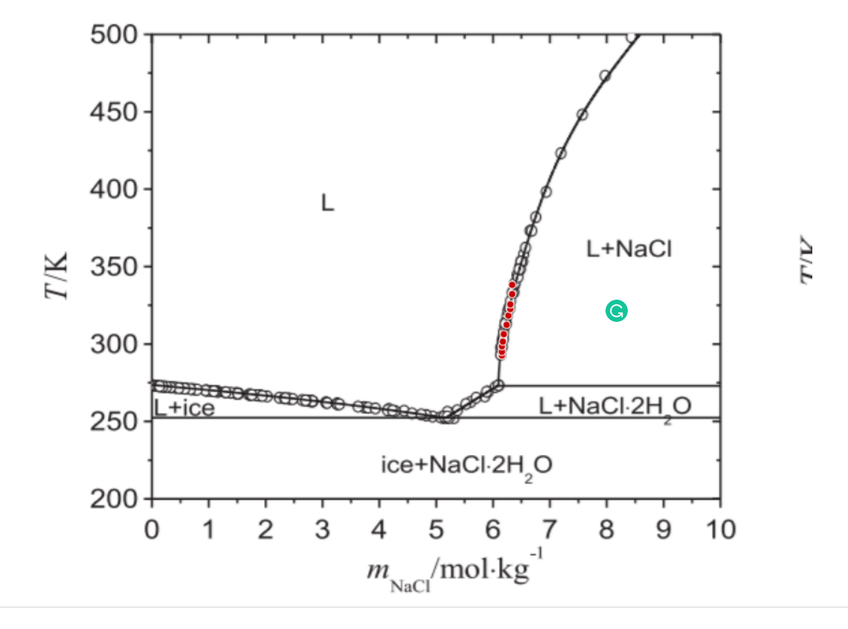
 |  |  | v | 2
 |  |  | W | 18
 |  | m | Temperature |  | 1/phi2 | phi | Temperature | phi

6.1966971153 | 292.72709382 | 6.1966971153 | 292.72709382 |  | 5.4826747638 | 0.18239272674 | 292.72709382 | 0.18239272674
6.1969595093 | 295.13193499 | 6.1969595093 | 295.13193499 |  | 5.4824849567 | 0.18239904129 | 295.13193499 | 0.18239904129
6.1973531003 | 298.73919675 | 6.1973531003 | 298.73919675 |  | 5.4822002761 | 0.18240851294 | 298.73919675 | 0.18240851294
6.2140479197 | 301.74721616 | 6.2140479197 | 301.74721616 |  | 5.4701582828 | 0.1828100666 | 301.74721616 | 0.1828100666
6.2309395346 | 306.55886646 | 6.2309395346 | 306.55886646 |  | 5.4580400153 | 0.18321595247 | 306.55886646 | 0.18321595247
6.2806960001 | 312.57687325 | 6.2806960001 | 312.57687325 |  | 5.4227228602 | 0.18440920286 | 312.57687325 | 0.18440920286
6.3140856388 | 318.59291208 | 6.3140856388 | 318.59291208 |  | 5.3993349737 | 0.18520799411 | 318.59291208 | 0.18520799411
6.3472784821 | 322.80532004 | 6.3472784821 | 322.80532004 |  | 5.3763288244 | 0.18600052799 | 322.80532004 | 0.18600052799
6.3476064746 | 325.8113715 | 6.3476064746 | 325.8113715 |  | 5.3761026915 | 0.18600835166 | 325.8113715 | 0.18600835166
6.3810617118 | 332.42862063 | 6.3810617118 | 332.42862063 |  | 5.3531592441 | 0.18680557675 | 332.42862063 | 0.18680557675

v6
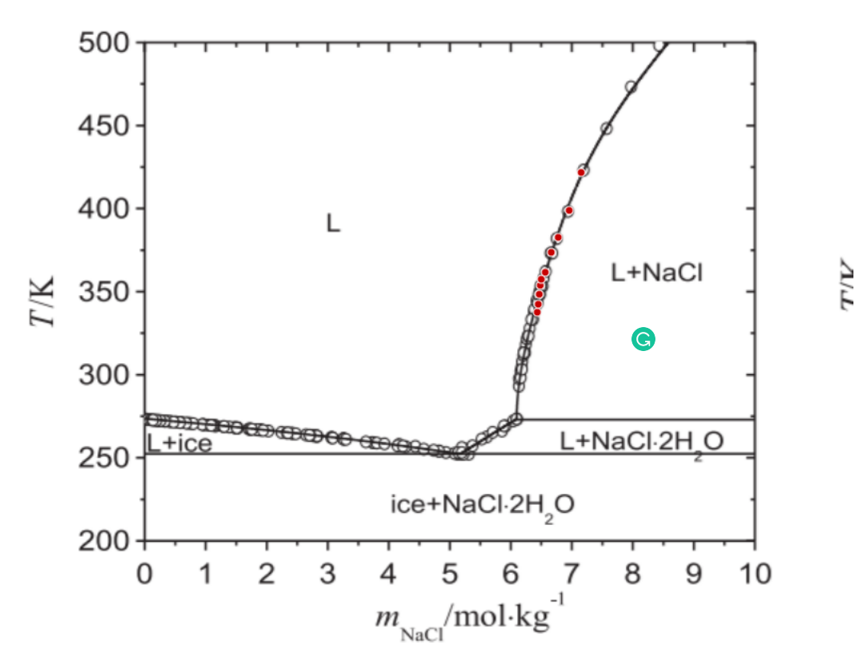
 |  |  | v | 2
 |  |  | W | 18
 |  | m | Temperature |  | 1/phi2 | phi | Temperature | phi

6.4798530594 | 337.85132099 | 6.4798530594 | 337.85132099 |  | 5.2867913089 | 0.18915064764 | 337.85132099 | 0.18915064764
6.4967446742 | 342.66297128 | 6.4967446742 | 342.66297128 |  | 5.2756455996 | 0.18955026094 | 342.66297128 | 0.18955026094
6.5137674861 | 348.67704216 | 6.5137674861 | 348.67704216 |  | 5.2644718033 | 0.18995257974 | 348.67704216 | 0.18995257974
6.5307246995 | 354.08990275 | 6.5307246995 | 354.08990275 |  | 5.2533989804 | 0.19035295125 | 354.08990275 | 0.19035295125
6.5474851173 | 357.69913246 | 6.5474851173 | 357.69913246 |  | 5.2425110222 | 0.19074828756 | 357.69913246 | 0.19074828756
6.6134116142 | 361.91547633 | 6.6134116142 | 361.91547633 |  | 5.2002190999 | 0.19229958984 | 361.91547633 | 0.19229958984
6.7129245453 | 373.95148991 | 6.7129245453 | 373.95148991 |  | 5.1379547156 | 0.19462997542 | 373.95148991 | 0.19462997542
6.8284763107 | 382.98341998 | 6.8284763107 | 382.98341998 |  | 5.0679320706 | 0.19731914044 | 382.98341998 | 0.19731914044
7.0102825656 | 399.23774538 | 7.0102825656 | 399.23774538 |  | 4.9624333995 | 0.20151403948 | 399.23774538 | 0.20151403948
7.2091772308 | 422.10735195 | 7.2091772308 | 422.10735195 |  | 4.8531134537 | 0.20605329126 | 422.10735195 | 0.20605329126

opt 1
polynomial
 |  |  | v | 2
 |  |  | W | 18
 |  | m | Temperature |  | 1/phi2 | phi | Temperature | phi

0.5048316822 | 272.86347151 | 0.5048316822 | 272.86347151 |  | 56.023840137 | 0.017849544008 | 272.86347151 | 0.017849544008
0.68698326153 | 272.87564199 | 0.68698326153 | 272.87564199 |  | 41.434431715 | 0.024134517082 | 272.87564199 | 0.024134517082
0.94150865321 | 270.22004235 | 0.94150865321 | 270.22004235 |  | 30.503475813 | 0.032783149243 | 270.22004235 | 0.032783149243
1.0872299167 | 270.22977874 | 1.0872299167 | 270.22977874 |  | 26.549129353 | 0.037666018599 | 270.22977874 | 0.037666018599
1.305690107 | 269.57622374 | 1.305690107 | 269.57622374 |  | 22.27440319 | 0.044894581079 | 269.57622374 | 0.044894581079
1.5241502974 | 268.92266874 | 1.5241502974 | 268.92266874 |  | 19.225090941 | 0.05201535863 | 268.92266874 | 0.05201535863
1.7789190987 | 267.60338826 | 1.7789190987 | 267.60338826 |  | 16.614975295 | 0.060186667887 | 267.60338826 | 0.060186667887
1.9246403622 | 267.61312465 | 1.9246403622 | 267.61312465 |  | 15.432710819 | 0.064797430065 | 267.61312465 | 0.064797430065
2.3429804704 | 264.30031887 | 2.3429804704 | 264.30031887 |  | 12.855744479 | 0.07778623802 | 264.30031887 | 0.07778623802
2.6890684711 | 264.32344279 | 2.6890684711 | 264.32344279 |  | 11.329888612 | 0.088262121034 | 264.32344279 | 0.088262121034

opt 2
polynomial
log
 |  |  | v | 2
 |  |  | W | 18 |  |  |  |  | updating opt 2 | 273.32429947 | 0.0037275238413 | 266.41339593 | 0.065145720631
 |  | m | Temperature |  | 1/phi2 | phi | Temperature | phi |  | 272.64555002 | 0.0069551108915 | 265.7298069 | 0.069121857954
 |  |  |  |  |  |  |  |  |  | 272.62861153 | 0.011444717355 | 265.69834971 | 0.076423982314
0.5048316822 | 272.86347151 | 0.5048316822 | 272.86347151 |  | 56.023840137 | 0.017849544008 | 272.86347151 | 0.017849544008 |  | 271.27595219 | 0.016517817196 | 265.683831 | 0.079755694131
0.68698326153 | 272.87564199 | 0.68698326153 | 272.87564199 |  | 41.434431715 | 0.024134517082 | 272.87564199 | 0.024134517082 |  | 271.25417413 | 0.022172543979 | 264.33601123 | 0.083056130473
0.94150865321 | 270.22004235 | 0.94150865321 | 270.22004235 |  | 30.503475813 | 0.032783149243 | 270.22004235 | 0.032783149243 |  | 271.23723564 | 0.026525908742 | 263.64516285 | 0.088513005331
1.0872299167 | 270.22977874 | 1.0872299167 | 270.22977874 |  | 26.549129353 | 0.037666018599 | 270.22977874 | 0.037666018599 |  | 269.21550598 | 0.032054215832 | 263.62338479 | 0.093372178991
1.305690107 | 269.57622374 | 1.305690107 | 269.57622374 |  | 22.27440319 | 0.044894581079 | 269.57622374 | 0.044894581079 |  | 269.8531191 | 0.039348451093 | 262.26104631 | 0.099763994655
1.5241502974 | 268.92266874 | 1.5241502974 | 268.92266874 |  | 19.225090941 | 0.05201535863 | 268.92266874 | 0.05201535863 |  | 269.8386004 | 0.042952502876 | 261.56535837 | 0.10606979604
1.7789190987 | 267.60338826 | 1.7789190987 | 267.60338826 |  | 16.614975295 | 0.060186667887 | 267.60338826 | 0.060186667887 |  | 269.82166191 | 0.047123200242 | 260.18124183 | 0.11689410679
1.9246403622 | 267.61312465 | 1.9246403622 | 267.61312465 |  | 15.432710819 | 0.064797430065 | 267.61312465 | 0.064797430065 |  | 267.80477181 | 0.051245942783
2.3429804704 | 264.30031887 | 2.3429804704 | 264.30031887 |  | 12.855744479 | 0.07778623802 | 264.30031887 | 0.07778623802 |  | 267.77331462 | 0.05883006697
2.6890684711 | 264.32344279 | 2.6890684711 | 264.32344279 |  | 11.329888612 | 0.088262121034 | 264.32344279 | 0.088262121034 |  | 266.41339593 | 0.065145720631
 |  |  |  |  |  |  |  |  |  | 265.7298069 | 0.069121857954
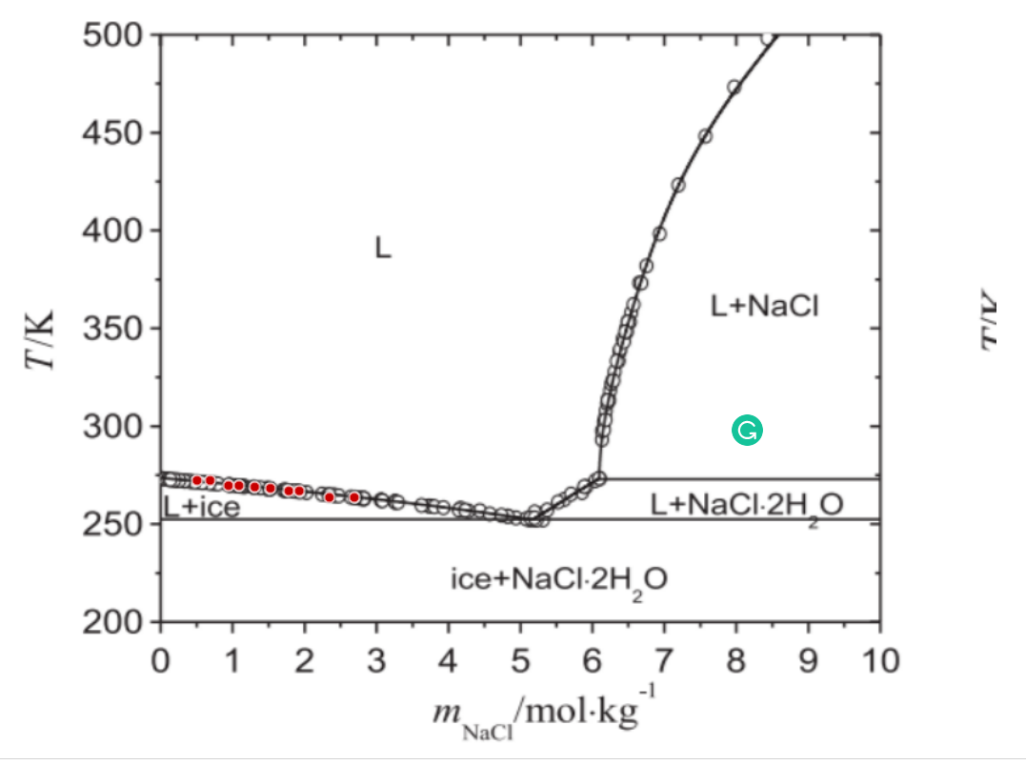
 |  |  |  |  |  |  |  |  |  | 265.69834971 | 0.076423982314
polynomial
 |  |  |  |  |  |  |  |  |  | 265.683831 | 0.079755694131
 |  |  |  |  |  |  |  |  |  | 264.33601123 | 0.083056130473 | 273.32429947 | 0.0037275238413
 |  |  |  |  |  |  |  |  |  | 263.64516285 | 0.088513005331 | 272.64555002 | 0.0069551108915
 |  |  |  |  |  |  |  |  |  | 263.62338479 | 0.093372178991 | 272.62861153 | 0.011444717355
 |  |  |  |  |  |  |  |  |  | 262.26104631 | 0.099763994655 | 271.27595219 | 0.016517817196
 |  |  |  |  |  |  |  |  |  | 261.56535837 | 0.10606979604 | 271.25417413 | 0.022172543979
 |  |  |  |  |  |  |  |  |  | 260.18124183 | 0.11689410679 | 271.23723564 | 0.026525908742
 |  |  |  |  |  |  |  |  |  | 260.16430334 | 0.12044643845 | 269.21550598 | 0.032054215832
 |  |  |  |  |  |  |  |  |  | 258.14257368 | 0.12496193968 | 269.8531191 | 0.039348451093
 |  |  |  |  |  |  |  |  |  | 258.11595606 | 0.1304303913 | 269.8386004 | 0.042952502876
 |  |  |  |  |  |  |  |  |  | 256.77055607 | 0.13288697064 | 269.82166191 | 0.047123200242
 |  |  |  |  |  |  |  |  |  | 256.73909887 | 0.13922637434
 |  |  |  |  |  |  |  |  |  | 255.38643953 | 0.14307528272
 |  |  |  |  |  |  |  |  |  | 254.03378019 | 0.1468899239
 |  |  |  |  |  |  |  |  |  | 254.01442191 | 0.15067703737
 |  |  |  |  |  |  |  |  |  | 251.32604172 | 0.15488510601

 |  |  |  |  |  |  |  |  |  |  |  | 269.82166191 | 0.047123200242
 |  |  |  |  |  |  |  |  |  |  |  | 267.80477181 | 0.051245942783
 |  |  |  |  |  |  |  |  |  |  |  | 267.77331462 | 0.05883006697
 |  |  |  |  |  |  |  |  |  |  |  | 266.41339593 | 0.065145720631
 |  |  |  |  |  |  |  |  |  |  |  | 265.7298069 | 0.069121857954
 |  |  |  |  |  |  |  |  |  |  |  | 265.69834971 | 0.076423982314
 |  |  |  |  |  |  |  |  |  |  |  | 265.683831 | 0.079755694131
 |  |  |  |  |  |  |  |  |  |  |  | 264.33601123 | 0.083056130473
 |  |  |  |  |  |  |  |  |  |  |  | 263.64516285 | 0.088513005331

 |  |  |  |  |  |  |  |  |  |  |  | 262.26104631 | 0.099763994655
 |  |  |  |  |  |  |  |  |  |  |  | 261.56535837 | 0.10606979604
 |  |  |  |  |  |  |  |  |  |  |  | 260.18124183 | 0.11689410679
 |  |  |  |  |  |  |  |  |  |  |  | 260.16430334 | 0.12044643845
 |  |  |  |  |  |  |  |  |  |  |  | 258.14257368 | 0.12496193968
 |  |  |  |  |  |  |  |  |  |  |  | 258.11595606 | 0.1304303913
 |  |  |  |  |  |  |  |  |  |  |  | 256.77055607 | 0.13288697064
 |  |  |  |  |  |  |  |  |  |  |  | 256.73909887 | 0.13922637434
 |  |  |  |  |  |  |  |  |  |  |  | 255.38643953 | 0.14307528272
 |  |  |  |  |  |  |  |  |  |  |  | 254.03378019 | 0.1468899239

 |  |  |  |  |  |  |  |  |  |  |  | 269.21550598 | 0.032054215832
 |  |  |  |  |  |  |  |  |  |  |  | 269.8531191 | 0.039348451093
 |  |  |  |  |  |  |  |  |  |  |  | 269.8386004 | 0.042952502876
 |  |  |  |  |  |  |  |  |  |  |  | 269.82166191 | 0.047123200242
 |  |  |  |  |  |  |  |  |  |  |  | 269.82166191 | 0.047123200242
 |  |  |  |  |  |  |  |  |  |  |  | 267.80477181 | 0.051245942783
 |  |  |  |  |  |  |  |  |  |  |  | 267.77331462 | 0.05883006697
 |  |  |  |  |  |  |  |  |  |  |  | 266.41339593 | 0.065145720631
 |  |  |  |  |  |  |  |  |  |  |  | 265.7298069 | 0.069121857954

opt 3 & 4
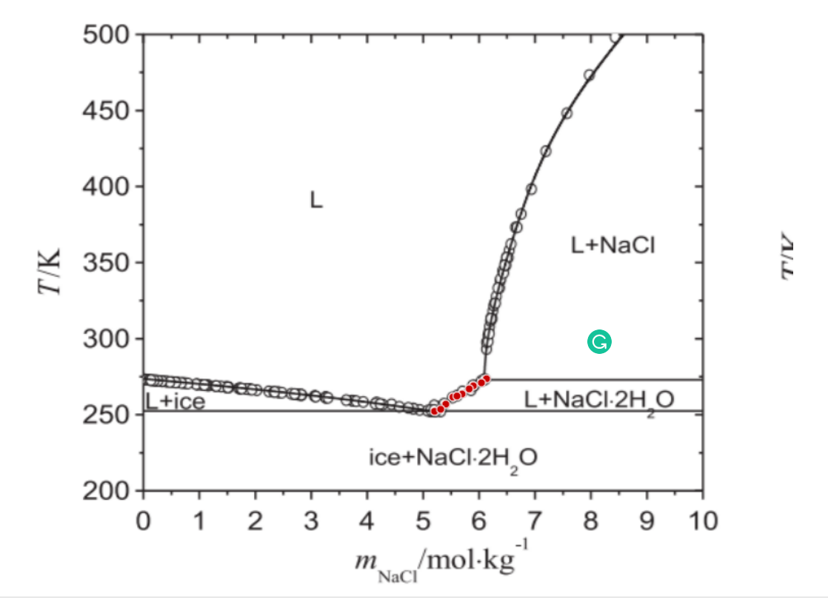
polynomial
log
 |  |  | v | 2
 |  |  | W | 18
 |  | m | Temperature |  | 1/phi2 | phi | Temperature | phi

5.2006912835 | 253.13268262 | 5.2006912835 | 253.13268262 |  | 6.3411702913 | 0.15769959709 | 253.13268262 | 0.15769959709
5.4019099546 | 257.82318721 | 5.4019099546 | 257.82318721 |  | 6.1422141448 | 0.16280773943 | 257.82318721 | 0.16280773943
5.5302679941 | 262.5088236 | 5.5302679941 | 262.5088236 |  | 6.0228628717 | 0.16603399767 | 262.5088236 | 0.16603399767
5.69456953 | 264.52425577 | 5.69456953 | 264.52425577 |  | 5.8779416305 | 0.17012758256 | 264.52425577 | 0.17012758256
5.895909906 | 269.88291994 | 5.895909906 | 269.88291994 |  | 5.7113640169 | 0.17508952276 | 269.88291994 | 0.17508952276
6.133558893 | 274.57585863 | 6.133558893 | 274.57585863 |  | 5.5288189553 | 0.18087045499 | 274.57585863 | 0.18087045499
6.0419962839 | 271.89713507 | 6.0419962839 | 271.89713507 |  | 5.5974503248 | 0.17865276903 | 271.89713507 | 0.17865276903
5.8226841597 | 267.87357301 | 5.8226841597 | 267.87357301 |  | 5.770613864 | 0.17329178898 | 267.87357301 | 0.17329178898
5.6032503306 | 263.18185137 | 5.6032503306 | 263.18185137 |  | 5.9574400819 | 0.16785733239 | 263.18185137 | 0.16785733239
5.3102256408 | 254.47630407 | 5.3102256408 | 254.47630407 |  | 6.2309976368 | 0.16048794403 | 254.47630407 | 0.16048794403

opt5 &6
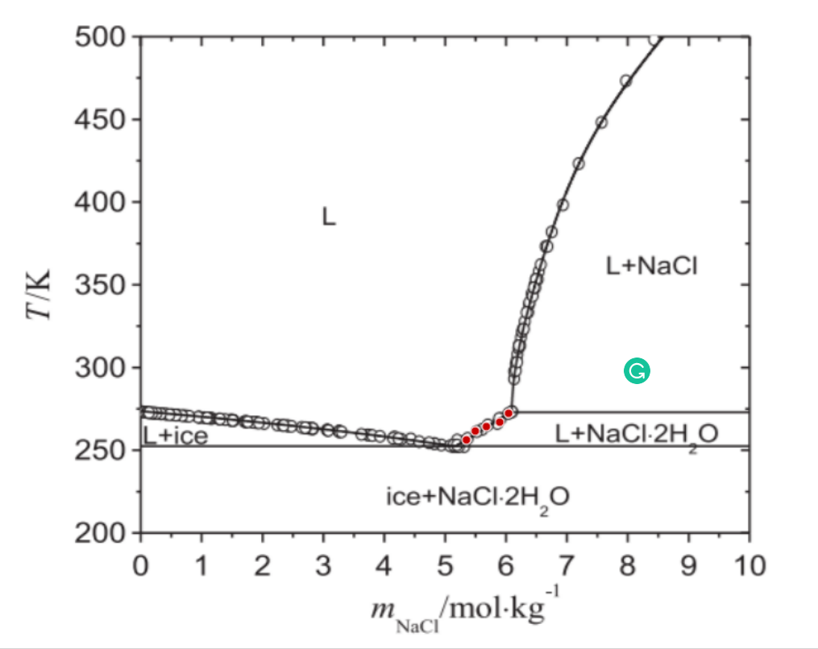
polynomial
log
257.15137648 | 0.1614235653
262.5063895 | 0.16512085761
265.19119831 | 0.16967875301
267.8784412 | 0.17508057838
273.23345423 | 0.17865868043
 |  |  | v | 2
 |  |  | W | 18 |  |  |  |  | 254.01442191 | 0.15067703737
 |  | m | Temperature |  | 1/phi2 | phi | Temperature | phi | 251.32604172 | 0.15488510601
 |  |  |  |  |  |  |  |  | 252.63514495 | 0.15953192807
5.347142776 | 257.15137648 | 5.347142776 | 257.15137648 |  | 6.1948823776 | 0.1614235653 | 257.15137648 | 0.1614235653 | 255.95871848 | 0.16138924559
5.4938376782 | 262.5063895 | 5.4938376782 | 262.5063895 |  | 6.0561700955 | 0.16512085761 | 262.5063895 | 0.16512085761 | 259.93926342 | 0.16506721728
5.6764760769 | 265.19119831 | 5.6764760769 | 265.19119831 |  | 5.8934897992 | 0.16967875301 | 265.19119831 | 0.16967875301 | 261.25320621 | 0.16870102847
5.8955447914 | 267.8784412 | 5.8955447914 | 267.8784412 |  | 5.7116557944 | 0.17508057838 | 267.8784412 | 0.17508057838 | 265.23133137 | 0.17276261974
6.0422396936 | 273.23345423 | 6.0422396936 | 273.23345423 |  | 5.5972651179 | 0.17865868043 | 273.23345423 | 0.17865868043 | 268.54522577 | 0.17633876342
 |  |  |  |  |  |  |  |  | 271.20214877 | 0.17811967879
 |  |  |  |  |  |  |  |  | 273.19242124 | 0.17988997992

opt7 &8
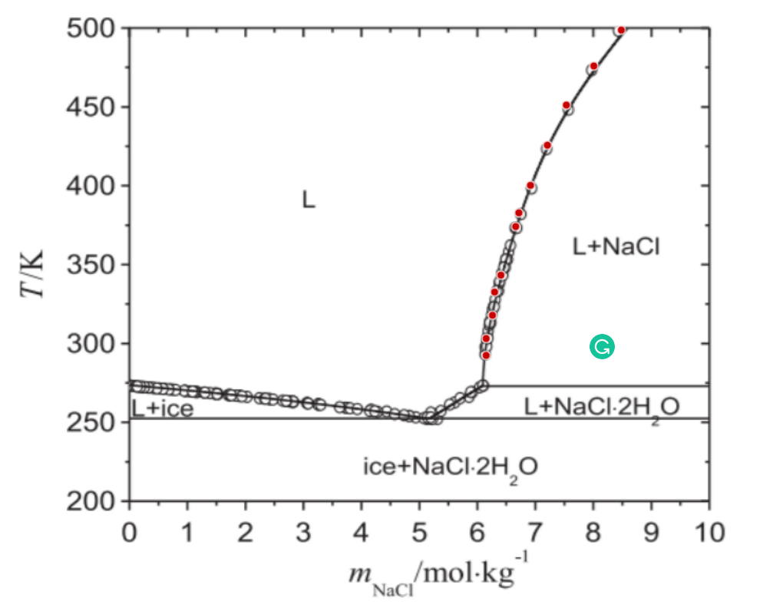
polynomial
log
 |  |  | v | 2
 |  |  | W | 18
 |  | m | Temperature |  | 1/phi2 | phi | Temperature | phi

6.1495369471 | 290.7737517 | 6.1495369471 | 290.7737517 |  | 5.5170519369 | 0.18125622369 | 290.7737517 | 0.18125622369
6.1508322 | 301.44015932 | 6.1508322 | 301.44015932 |  | 5.5161007283 | 0.18128747992 | 301.44015932 | 0.18128747992
6.261900136 | 316.0846124 | 6.261900136 | 316.0846124 |  | 5.4359982073 | 0.1839588539 | 316.0846124 | 0.1839588539
6.3001100965 | 330.74363707 | 6.3001100965 | 330.74363707 |  | 5.4090940241 | 0.18487384311 | 330.74363707 | 0.18487384311
6.4106923127 | 341.38818729 | 6.4106923127 | 341.38818729 |  | 5.3330386833 | 0.18751035936 | 341.38818729 | 0.18751035936
6.6694190791 | 372.00310861 | 6.6694190791 | 372.00310861 |  | 5.1649471188 | 0.19361282449 | 372.00310861 | 0.19361282449
6.7251149537 | 380.6586361 | 6.7251149537 | 380.6586361 |  | 5.1304539728 | 0.19491452517 | 380.6586361 | 0.19491452517
6.9275791723 | 397.95147659 | 6.9275791723 | 397.95147659 |  | 5.0097380465 | 0.1996112353 | 397.95147659 | 0.1996112353
7.2220873 | 423.2259083 | 7.2220873 | 423.2259083 |  | 4.8462256995 | 0.20634614688 | 423.2259083 | 0.20634614688
7.5530244155 | 448.49305421 | 7.5530244155 | 448.49305421 |  | 4.6777026327 | 0.21378015631 | 448.49305421 | 0.21378015631
8.0295965287 | 473.06440645 | 8.0295965287 | 473.06440645 |  | 4.459423855 | 0.22424421461 | 473.06440645 | 0.22424421461
8.505925782 | 495.63580727 | 8.505925782 | 495.63580727 |  | 4.2656971727 | 0.234428268 | 495.63580727 | 0.234428268

polynomial

v3-corrected
253.82235058 | 0.15841584158

253.82235058 | 0.15841584158
256.83818618 | 0.16256157635
263.46614798 | 0.16870415648
264.67346458 | 0.17073170732
268.88974026 | 0.1739552964
273.11092774 | 0.17914051183
256.83818618 | 0.16256157635

263.46614798 | 0.16870415648
264.67346458 | 0.17073170732
268.88974026 | 0.1739552964

273.11092774 | 0.17914051183

v2-corrected
272.18849464 | 0.025229357798
265.67153916 | 0.077090119435
255.58862824 | 0.14228052472

272.18849464 | 0.025229357798
265.67153916 | 0.077090119435
255.58862824 | 0.14228052472
272.18849464 | 0.025229357798

265.67153916 | 0.077090119435

255.58862824 | 0.14228052472

